CONCRETING
CONSTRUCTION ESTIMATE CALCULATOR

(JUST INPUT THE DATA INSIDE THE YELLOW CELL)
ITEM - I CONCRETING WORKS
A. DETERMINING THE VOLUME OF A CONCRETE
T
L
W
FOOTING |  |  |  | FORMULA: |  | VOLUME = L * W * T
 |  |  |  |  |  | CLASS A CONCRETE MIX
 |  |  |  |  | Enter Length | L (M) | 1.50 | M
 |  |  |  |  | Enter Width | W (M) | 1.50 | M
 |  |  |  |  | Enter Thickness | T (M) | 0.30 | M
 |  |  |  |  |  | TOTAL VOLUME OF CONCRETE: | 0.67 | CU.M.
 |  |  |  |  | Number of Footing | Units | 10.00 | Units
 |  |  |  |  |  | TOTAL VOLUME OF CONCRETE: | 6.75 | CU.M.
 |  |  |  |  | # OF CEMENT | BAGS | 61.00 | BAGS
 |  |  |  |  | VOL. OF SAND | CU.M. | 3.40 | CU.M.
 |  |  |  |  | VOL. OF 3/4" GRAVEL | CU.M. | 6.80 | CU.M.

W
T
WALL FOOTING
L = LENGTH

LT = TOTAL LENGTH/PERIMETER
 |  |  |  | FORMULA: |  | VOLUME = L * W * T
 |  |  |  |  |  | CLASS A CONCRETE MIX
 |  |  |  |  | Enter Length | LT (M) | 18.00 | M
 |  |  |  |  | Enter Width | W (M) | 0.60 | M
 |  |  |  |  | Enter Thickness | T (M) | 0.20 | M
 |  |  |  |  |  | TOTAL VOLUME OF CONCRETE: | 2.16 | CU.M.
 |  |  |  |  | # OF CEMENT | BAGS | 20.00 | BAGS
 |  |  |  |  | VOL. OF SAND | CU.M. | 1.10 | CU.M.
 |  |  |  |  | VOL. OF 3/4" GRAVEL | CU.M. | 2.20 | CU.M.

T
W
L
FLOOR SLAB |  |  |  | FORMULA: |  | VOLUME = L * W * T
 |  |  |  |  |  | CLASS A CONCRETE MIX
 |  |  |  |  | Enter Length | L (M) | 4.00 | M
 |  |  |  |  | Enter Width | W (M) | 5.00 | M
 |  |  |  |  | Enter Thickness | T (M) | 0.10 | M
 |  |  |  |  | Enter Concrete Mix Design (CLASS) | AA, A,or B | A | 1:2:4
 |  |  |  |  |  | 9 | 0.5 | 1
 |  |  |  |  |  | TOTAL VOLUME OF CONCRETE: | 2.00 | CU.M.
 |  |  |  |  | # OF CEMENT | BAGS | 18.00 | BAGS
 |  |  |  |  | VOL. OF SAND | CU.M. | 1.00 | CU.M.
 |  |  |  |  | VOL. OF 3/4" GRAVEL | CU.M. | 2.00 | CU.M.

T
Area
FLOOR SLAB - BY AREA
 |  |  |  | FORMULA: |  | VOLUME = Floor Area* T
 |  |  |  |  |  | CLASS A CONCRETE MIX
 |  |  |  |  | Enter Floor Area | A (SQ.M) | 20.00 | SQ.M
 |  |  |  |  | Enter Thickness | T (M) | 0.10 | M
 |  |  |  |  | Enter Concrete Mix Design (CLASS) | AA, A,or B | B | 1:3:6
 |  |  |  |  |  | TOTAL VOLUME OF CONCRETE: | 2.00 | CU.M.
 |  |  |  |  | # OF CEMENT | BAGS | 15.00 | BAGS
 |  |  |  |  | VOL. OF SAND | CU.M. | 1.00 | CU.M.
7.5 | 0.5 | 1 |  |  | VOL. OF 3/4" GRAVEL | CU.M. | 2.00 | CU.M.

W1
W2
H
CONCRETE COLUMNS |  |  | COLUMN DIMENSIONS:
RECTANGULAR
 |  |  |  |  |  | Width 1 | 0.40 | M
 |  |  |  |  |  | Width 2 | 0.40 | M

 |  |  |  | FORMULA: |  | VOLUME = H * W1 * W2
 |  |  |  |  |  | CLASS A CONCRETE MIX
 |  |  |  |  | Enter Height | L (M) | 4.00 | M
 |  |  |  |  |  | VOLUME OF CONCRETE FOR EACH COLUME: | 0.64 | CU.M.
 |  |  |  |  | Number of Columns | Units | 10.00 | Units
 |  |  |  |  |  | TOTAL VOLUME OF CONCRETE: | 6.40 | CU.M.
 |  |  |  |  | # OF CEMENT | BAGS | 58.00 | BAGS
 |  |  |  |  | VOL. OF SAND | CU.M. | 3.20 | CU.M.
 |  |  |  |  | VOL. OF 3/4" GRAVEL | CU.M. | 6.40 | CU.M.

D1
H
CONCRETE COLUMNS |  |  | COLUMN DIMENSIONS:
CIRCULAR
 |  |  |  |  |  | Diameter | 0.40 | M

 |  |  |  |  |  | AreaCirc | 0.13 | SQ.M.

 |  |  |  | FORMULA: |  | VOLUME = H * AreaCirc
 |  |  |  |  |  | CLASS A CONCRETE MIX
 |  |  |  |  | Enter Height | L (M) | 3.00 | M
 |  |  |  |  |  | VOLUME OF CONCRETE EACH COLUMN: | 0.38 | CU.M.
 |  |  |  |  | Number of Columns | Units | 10.00 | Units
 |  |  |  |  |  | TOTAL VOLUME OF CONCRETE: | 3.77 | CU.M.
 |  |  |  |  | # OF CEMENT | BAGS | 34.00 | BAGS
 |  |  |  |  | VOL. OF SAND | CU.M. | 1.90 | CU.M.
 |  |  |  |  | VOL. OF 3/4" GRAVEL | CU.M. | 3.80 | CU.M.

CONCRETE BEAMS
LT
 |  |  |  | FORMULA: |  | VOLUME = LT * W * D
 |  |  |  |  |  | CLASS A CONCRETE MIX
 |  |  |  |  | EnterTotal Length | LT (M) | 20.00 | M
W
D
 |  |  |  |  | Enter Width | W (M) | 0.25 | M
BEAM DIMENSIONS: |  |  |  |  | Enter Depth | D (M) | 0.40 | M
 |  |  |  |  |  | TOTAL VOLUME OF CONCRETE: | 2.00 | CU.M.
 |  |  |  |  | # OF CEMENT | BAGS | 18.00 | BAGS
 |  |  |  |  | VOL. OF SAND | CU.M. | 1.00 | CU.M.
 |  |  |  |  | VOL. OF 3/4" GRAVEL | CU.M. | 2.00 | CU.M.

CONCRETE STAIRS

W
RH
TR
TS
 |  |  |  |  | Enter Riser Height | RH (M) | 0.20 | M
 |  |  |  |  | Enter Tread Run | TR (M) | 0.30 | M
 |  |  |  |  | Enter Stair Width | W (M) | 1.00 | M
 |  |  |  |  | Enter # of Steps | N | 17.00 | Steps
 |  |  |  |  | Enter Stringer Thickness | TS (M) | 0.15 | M

 |  |  |  |  | 0.51 | 0.92 | 1.43

 |  |  |  |  |  | TOTAL VOLUME OF CONCRETE: | 1.43 | CU.M.
 |  |  |  |  | # OF CEMENT | BAGS | 13.00 | BAGS
 |  |  |  |  | VOL. OF SAND | CU.M. | 0.80 | CU.M.
 |  |  |  |  | VOL. OF 3/4" GRAVEL | CU.M. | 1.50 | CU.M.

MASONRY
ITEM - II MASONRY WORKS
A. DETERMINING THE NUMBER OF CONCRETE HOLLOW BLOCKS USED
B. DETERMINING THE NUMBER OF CEMENT & VOLUME OF SAND FOR MORTAR & PLASTERING
 |  | Enter Wall Height | H (M) | 4.50 | M
 |  | Enter Wall Length | L (M) | 37.00 | M
 |  | Enter Area of Window | AW (SQ.M.) |  | SQ.M
 |  | Enter Area of Door | AD (SQ.M) | - | SQ.M.
 |  | Breakage Allowance | % | - | %

 |  |  | TOTAL WALL AREA: | 166.50 | SQ.M.
 |  |  | TOTAL NUMBER OF CHB: | 2,082.00 | PCS

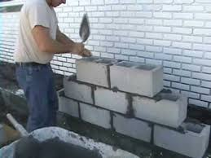
 |  |  | MORTAR USING 4" CHB
 |  | # OF CEMENT | BAGS | 88.00 | BAGS
 |  | VOL. OF SCREENED SAND | CU.M. | 7.30 | CU.M.
 |  |  | MORTAR USING 6" CHB
 |  | # OF CEMENT | BAGS | 169.00 | BAGS
 |  | VOL. OF SCREENED SAND | CU.M. | 14.10 | CU.M.

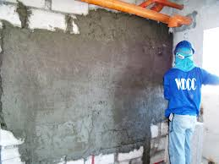
 |  |  | PLASTER : 16mm thk Mix: 1:2
 |  |  | One face ofthe wall only
 |  | # OF CEMENT | BAGS | 48.00 | BAGS
 |  | VOL. OF FINE SAND | CU.M. | 2.70 | CU.M.
 |  |  | PLASTER : 16mm thk Mix: 1:2
 |  |  | Two faces of the wall
 |  | # OF CEMENT | BAGS | 96.00 | BAGS
 |  | VOL. OF FINE SAND | CU.M. | 5.40 | CU.M.

W1
L
RIPRAPING WORKS
 |  | Enter Height | H (M) | 3.00 | M
 |  | Enter Width 1 | W1 (M) | 1.00 | M
 |  | Enter Width 2 | W2 (M) | 2.00 | M
 |  | Enter Length | L (M) | 20.00 | M

H
 | Using: | Stones ranging from 15 to 25 kgs with atleast 50% of stones weighing more than 20 kgs, & Class A Mixture

 |  |  | TOTAL SIDE AREA: | 4.50 | SQ.M.
 |  |  | TOTAL VOLUME: | 90.00 | CU.M.
 |  | VOL. OF BOULDERS | CU.M. | 90.00 | CU.M.
 |  | # OF CEMENT | BAGS | 232.00 | BAGS
W2
 |  | VOL. OF SAND | CU.M. | 12.90 | CU.M.

REINFORCEMENT
vertical spacing
ITEM - III STEEL REINFORCEMENT
LENGTH OF REINFORCING BARS FOR CHB IN METERS
VERT. SPACING (CM) | (M) LENGTH OF VERTICAL REIN./SQ.M. | SPACEING LAYER | (M) LENGTH OF HORIZONTAL REIN./ SQ.M.
40 | 2.93 | 2 Layers | 3.300

60 | 2.13 | 3 Layers | 2.150
spacing layer

80 | 1.6 | 4 Layers | 1.720

DETERMINING THE NUMBER OF BARS USED

 |  |  |  |  | Enter Wall Height | H (M) | 3.00 | M
 |  |  |  |  | Enter Wall Length | L (M) | 61.00 | M
 |  |  |  |  | Enter wall openings | SQ.M | 2.00 | SQ.M.
 |  |  |  |  | Enter Constant Factor | VERTICAL | 2.13 | 60cm
 |  |  |  |  | Enter Constant Factor | HORIZONTAL | 2.15 | 3 layers
 |  |  |  |  |  | TOTAL WALL AREA: | 181.00 | SQ.M.
 |  |  |  |  |  | # OF VERTICAL BARS USED: | 65.00 | PCS @ 6M
 |  |  |  |  |  | # OF HORIZONTAL BARS USED: | 65.00 | PCS @ 6M
 |  |  |  |  |  | #16 TIE WIRE USED: | 8.60 | Kgs

Clear Cover
W
L
# of Bars per Side
FOOTING MATTING
 |  |  |  |  | Enter Footing Length | L (M) | 0.60 | M
 |  |  |  |  | Enter Footing Width | W (M) | 0.60 | M
 |  |  |  |  | Enter # of Bars along L | # | 4.00 | Pcs
 |  |  |  |  | Enter Number of Bars along W | # | 4.00 | Pcs
 |  |  |  |  | Enter Number of Footing | # | 10.00 | Units
 |  |  |  |  | Enter Clear Cover | Cc (M) | 0.050 | M
 |  |  |  |  |  | Note: Standard Clear Cover for footing =0.05m to 0.075m

 |  |  |  |  |  | Net. Length along L | 0.50 | M
 |  |  |  |  |  | Net. Length along W | 0.50 | M
 |  |  |  |  |  | # OF REIN. BARS USED: | 8.00 | PCS @ 6M
 |  |  |  |  |  | #16 TIE WIRE USED: | 1.30 | Kgs

W
T
WALL FOOTING REINFORCEMENT
 |  |  |  |  | Enter Wall Footing Width | W (M) | 1.10 | M
 |  |  |  |  | Enter Wall Footing Total Length | LT (M) | 1.50 | M
 |  |  |  |  | Enter Spacing of Tie Bars for Wall footing | (M) | 0.15 | M

 |  |  |  |  |  | Total # of Ties: | 11.00 | PCS
 |  |  |  |  |  | Total # of Horizontal Bars Used: | 1.00 | LHS
 |  |  |  |  |  | Overall Total # of Bars used: | 4.00 | PCS @ 6M
 |  |  |  |  |  | #16 TIE WIRE USED: | 0.20 | Kgs

LT = TOTAL LENGTH/PERIMETER

Tie Bars Spacing

RECTANGULAR COLUMN REINFORCEMENT
H
D2
D1

Clear Cover for columns = 0.40m

End Hook/ L hook
 |  |  |  |  | Enter Column Height | H (M) | 4.00 | M
 |  |  |  |  | Enter Number of Columns | # | 20.00 | Units
 |  |  |  |  | Enter Reinforcement Bar Diameter required | Ø | 12.00 | mm
 |  |  |  |  | Enter Column Dimension D1 | (M) | 0.25 | M
 |  |  |  |  | Enter Column Dimension D2 | (M) | 0.25 | M

 |  |  |  |  | Enter Number of Vertical Bars | (M) | 6.00 | PCS
 |  |  |  |  | Enter Stirrup bar diameter required | Ø | 10.00 | mm
 |  |  |  |  | Enter Stirrups Spacing | (M) | 0.20 | M

 |  |  |  | 1 | 0.2
 |  |  |  |  |  | Use End Hook: | 0.200 | M
 |  |  |  |  |  | Total length of each bars should be more than or equal to: | 4.70 | M
 |  |  |  |  |  | Total Number of Vertical Bars @ 6M: | 120.00 | PCS
 |  |  |  |  |  | 6
 |  |  |  |  |  | Cut Length of each stirrups: | 0.90 | M
 |  |  |  |  |  | Number of Stirrups per Column: | 31.00 | PCS
 |  |  |  |  |  | Total Number of Bars used for stirrups @ 6M : | 93.00 | PCS

 |  |  |  |  |  | #16 TIE WIRE USED: | 14.10 | Kgs

CIRCULAR COLUMN REINFORCEMENT

 |  |  |  |  | Enter Column Height | H (M) | 3.50 | M
 |  |  |  |  | Enter Number of Columns | # | 8.00 | Units
 |  |  |  |  | Enter Reinforcement Bar Diameter required | Ø | 12.00 | mm
D1
 |  |  |  |  | Enter Column Diameter D1 | (M) | 0.30 | M

 |  |  |  |  | Enter Number of Vertical Bars | (M) | 6.00 | PCS
 |  |  |  |  | Enter Stirrup bar diameter required | Ø | 10.00 | mm
 |  |  |  |  | Enter Stirrups Spacing | (M) | 0.20 | M

 |  |  |  | 1 | 0.2
 |  |  |  |  |  | Use End Hook: | 0.200 | M
 |  |  |  |  |  | Total length of each bars should be more than or equal to: | 4.20 | M
 |  |  |  |  |  | Total Number of Vertical Bars @ 6M: | 48.00 | PCS
 |  |  |  |  | 6 | Circular Stirrups
 |  |  |  |  |  | Cut Length of each stirrups: | 0.90 | M
 |  |  |  |  |  | Number of Stirrups per Column: | 28.50 | M
 |  |  |  |  |  | Total Number of Bars required for stirrups @ 6M : | 35.00 | PCS
 |  |  |  |  |  | #16 TIE WIRE required: | 7.80 | Kgs

 |  |  |  |  |  | Spiral Stirrups
 |  |  |  |  |  | Cut Length of each stirrups: | 0.70 | M
 |  |  |  |  |  | Number of Stirrup Loops per Column: | 28.50 | M
 |  |  |  |  |  | Total Number of Bars required for stirrups @ 6M : | 30.00 | PCS
 |  |  |  |  |  | #16 TIE WIRE required: | 7.80 | Kgs

BEAM REINFORCEMENT (BEAM TO BEAM = LESS THAN 6.0 METERS) ONE BAY
L(beam to beam)
 |  |  |  |  | Enter Beam to Beam Length | L (M) | 6.00 | M
 |  |  |  |  | Enter Beam Width | W (M) | 0.25 | M
 |  |  |  |  | Enter Beam Depth | D (M) | 0.50 | M
W
D
Top Bars
Bottom Bars
Web Bars
 |  |  |  |  | Enter Column Width | Cw(M) | 0.40 | M
 |  |  |  |  | # of Bars Continuous | # of Non-Continuous Bars | Size of Bars | Units
 |  |  |  | Top Bars | 2 | - | 20.00 | mm

 |  |  |  | Web Bars | - | - | 10.00 | mm
 |  |  |  | Note: put "0" zero if web bars not applicable
 |  |  |  | Bottom Bars | 2 | - | 20.00 | mm

 |  |  |  |  |  | Enter Stirrup Bars Diameter required: | 10.00 | mm
 |  |  |  |  |  | Enter Stirrup Spacing: | 0.20 | M
L = Span
L/4

0.15L

Column Width

 |  |  |  | TOP BARS
 |  |  |  |  |  | # of 6m Length Deformed Bars required as Continuous Bars | 3.00 | PCS
 |  |  |  |  |  | # of 6m Length Deformed Bars required as Non-Continuous Bars | - | PCS
 |  |  |  | WEB BARS
 |  |  |  |  |  | # of 6m Length Deformed Bars required as Web Bars | - | PCS
 |  |  |  | BOTTOM BARS
 |  |  |  |  |  | # of 6m Length Deformed Bars required as Continuous Bars | 3.00 | PCS
 |  |  |  |  |  | # of 6m Length Deformed Bars required as Non-Continuous Bars | - | PCS

 |  |  |  |  |  | Number of 20mm bars used as main bars | 6.00 | PCS
 |  |  |  |  |  | Number of 10mm bars used as web bars | - | PCS
 |  |  |  |  |  | Number of 10mm bars used as stirrups | 10.00 | PCS
 |  |  |  |  |  | #16 TIE WIRE USED: | 0.60 | Kgs
BEAM REINFORCEMENT (TWO BAYS) CONTINUOUS BEAM
L1
 |  |  |  |  | Enter Beam Length 1 | L1 (M) | 5.00 | M
 |  |  |  |  | Enter Beam Length 2 | L2 (M) | 5.00 | M
 |  |  |  |  | Enter Beam Width | W (M) | 0.20 | M
L2
 |  |  |  |  | Enter Beam Depth | D (M) | 0.30 | M
W
D
Top Bars
Bottom Bars
Web Bars
 |  |  |  |  | Enter Column Width Max | Cw(M) | 0.30 | M
 |  |  |  |  | # of Bars Continuous | # of Non-Continuous Bars | Size of Bars | Units
 |  |  |  | Top Bars | 2 | 1 | 12.00 | mm

 |  |  |  | Web Bars | - | - | 10.00 | mm
 |  |  |  | Note: put "0" zero if web bars not applicable
 |  |  |  | Bottom Bars | 2 | 1 | 12.00 | mm

 |  |  |  |  |  | Enter Stirrup Bars Diameter required: | 10.00 | mm
 |  |  |  |  |  | Enter Stirrup Spacing: | 0.20 | M
L = Span1
L/4
0.15 L
L = Span2

L/4

0.15 L

Column Width

 |  |  |  | TOP BARS
 |  |  |  |  |  | # of 6m Length Deformed Bars required as Continuous Bars | 4.00 | PCS
 |  |  |  |  |  | # of 6m Length Deformed Bars required as Non-Continuous Bars | 2.00 | PCS
 |  |  |  | WEB BARS
 |  |  |  |  |  | # of 6m Length Deformed Bars required as Web Bars | - | PCS
 |  |  |  | BOTTOM BARS
 |  |  |  |  |  | # of 6m Length Deformed Bars used as Continuous Bars | 4.00 | PCS
 |  |  |  |  |  | # of 6m Length Deformed Bars required as Non-Continuous Bars | 2.00 | PCS

 |  |  |  |  |  | Number of 12mm bars required as main bars | 12.00 | PCS
 |  |  |  |  |  | Number of 10mm bars required as web bars | - | PCS
 |  |  |  |  |  | Number of 10mm bars required as stirrups | 2.00 | PCS
 |  |  |  |  |  | #16 TIE WIRE USED: | 2.20 | Kgs
ONE WAY SLAB
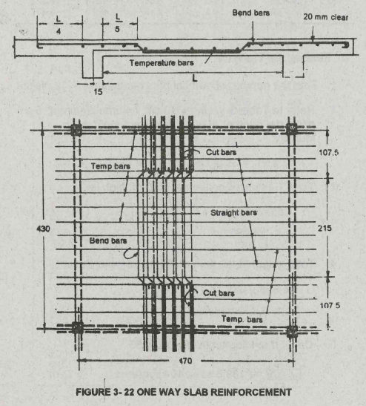

 | QUANTITY OF REINFORCING STEEL BARS IN A ONEWAY REINFORCED CONCRETE SLAB

 | BAR SPACING IN CM. |  |  | NUMBER OF STEEL BARS PER SQUARE METER |  |  |  | TIES (KGS)
 | 10.000 |  |  | 3.764 |  |  |  | 0.474
 | 12.500 |  |  | 3.062 |  |  |  | 0.316
 | 15.000 |  |  | 2.584 |  |  |  | 0.228
 | 17.500 |  |  | 2.232 |  |  |  | 0.168
 | 20.000 |  |  | 1.980 |  |  |  | 0.132
 | 22.200 |  |  | 1.786 |  |  |  | 0.110
 | 25.000 |  |  | 1.627 |  |  |  | 0.089

T
W
L
 |  |  |  |  | Enter Length | L (M) | 9.00 | M
 |  |  |  |  | Enter Width | W (M) | 7.00 | M
 |  |  |  |  | Enter Bar Spacing | cm | 15.00 | CM

 |  |  |  |  | # of Steel Bar Constant factor | c | 2.584
 |  |  |  |  | # of Ties #16 Constant factor | c | 0.228
 |  |  |  |  | # OF STEEL BARS required | PCS @ 6M | 163.00 | PCS
 |  |  |  |  | # OF #16 TIE WIRE required | KGS | 15.00 | KGS

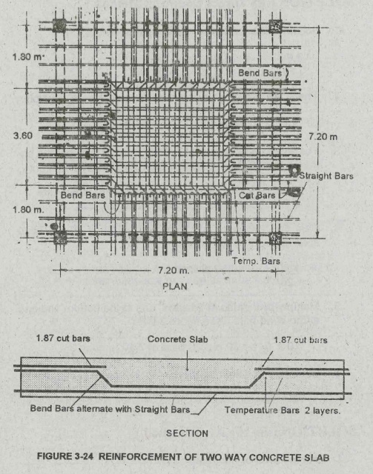
TWO WAY SLAB

 | QUANTITY OF REINFORCING STEEL BARS IN A ONEWAY REINFORCED CONCRETE SLAB

 | BAR SPACING IN CM. |  |  | NUMBER OF STEEL BARS PER SQUARE METER |  |  |  | TIES (KGS)
 | 10.000 |  |  | 4.369 |  |  |  | 0.592
 | 12.500 |  |  | 3.603 |  |  |  | 0.416
 | 15.000 |  |  | 3.221 |  |  |  | 0.350
 | 17.500 |  |  | 2.647 |  |  |  | 0.247
 | 20.000 |  |  | 2.360 |  |  |  | 0.174
 | 22.200 |  |  | 2.168 |  |  |  | 0.168
 | 25.000 |  |  | 1.977 |  |  |  | 0.142

T
W
L
 |  |  |  |  | Enter Length | L (M) | 9.00 | M
 |  |  |  |  | Enter Width | W (M) | 7.00 | M
 |  |  |  |  | Enter Bar Spacing | cm | 15.00 | CM

 |  |  |  |  | # of Steel Bar Constant factor | c | 3.221
 |  |  |  |  | # of Ties #16 Constant factor | c | 0.350
 |  |  |  |  | # OF STEEL BARS required | PCS @ 6M | 203.00 | PCS
 |  |  |  |  | # OF #16 TIE WIRE required | KGS | 23.00 | KGS

REINFORCED GROUND SLAB (BARS SPACING MORE THAN 25CM)
T
W
L
 |  |  |  |  | Enter Length | L (M) | 9.00 | M
 |  |  |  |  | Enter Width | W (M) | 7.00 | M
 |  |  |  |  | Enter Bar Spacing along W | cm | 40.00 | CM
 |  |  |  |  | Enter Bar Spacing along L | cm | 40.00 | CM

 |  |  |  |  | # OF STEEL BARS USED PARALLEL TO L | PCS @ 6M | 31.00 | PCS
 |  |  |  |  | # OF STEEL BARS USED PARALLEL TO W | PCS @ 6M | 30.00 | PCS
 |  |  |  |  | # OF #16 TIE WIRE required | KGS | 6.00 | KGS

W
RH
TR
TS
CONCRETE STAIRS
 |  |  |  |  | Enter Riser Height | RH (M) | 0.20 | M
 |  |  |  |  | Enter Tread Run | TR (M) | 0.30 | M
 |  |  |  |  | Enter Stair Width | W (M) | 1.20 | M
 |  |  |  |  | Enter # of Steps | N | 17.00 | Steps
 |  |  |  |  | Enter Stringer Thickness | TS (M) | 0.15 | M
 |  |  |  |  |  | 0.61 | 0.36 | 0.97
 |  |  |  |  | Enter Spacing (M)
 |  |  |  |  | 0.30
Enter Spacing (M) |  |  |  |  | Enter Steps Lateral Bar diameter (mm)
0.30 |  |  |  |  | 12
Enter Stringer Lateral Bar diameter (mm)
16
 |  |  |  |  | Enter Spacing (M)
 |  |  |  |  | 0.30
Enter Spacing (M) |  |  |  |  | Enter Steps Lateral Bar diameter (mm)
0.30 |  |  |  |  | 12
Enter Stringer Horizontal Bar diameter (mm)
12
 |  |  |  |  | Number of 12 mm Lateral Bars required @ Steps | PCS @ 6M | 10.00 | PCS
 |  |  |  |  | Number of 12 mm Horizontal Bars required @ Steps | PCS @ 6M | 11.00 | PCS
 |  |  |  |  | Number of 16 mm Lateral Bars required @ Stringer | PCS @ 6M | 7.00 | PCS
 |  |  |  |  | Number of 12 mm Horizontal Bars required @ Stringer | PCS @ 6M | 4.00 | PCS
 |  |  |  |  | # OF #16 TIE WIRE USED | KGS | 2.00 | KGS

NOTES: | DOWELS FOR LATERAL BARS ARE ALREADY INCLUDED IN THE ESTIMATES
 | FOR STAIRS LANDINGS YOU MAY USE THE SLAB REINFORCEMENT CALCULATOR

CONCRETE CANAL

TOP OPENING WIDTH
BOTTOM OPENING WIDTH
CANAL FLOORING BOTTOM WIDTH
CANAL TOTAL HEIGHT
TCF
Stiffener

 |  |  |  |  | Enter Canal Total Length | (M) | 100.00 | M
 |  |  |  |  | Enter Canal Total Height | (M) | 0.80 | M
 |  |  |  |  | Enter Top Opening Width | (M) | 0.50 | M
 |  |  |  |  | Enter Bottom Opening width | (M) | 0.30 | M
 |  |  |  |  | Enter Canal Flooring Bottom Width | (M) | 0.50 | M
 |  |  |  |  | Enter Canal Flooring Thickness | (M) | 0.15 | M

 |  |  |  |  | Enter # of layers of CHB used (1 Side) | Layer | 3.00 | layers
 |  |  |  |  | Enter Size of CHB required | 4"= 0.10, 6" = 0.15 | 0.10 | M
 |  |  |  |  | CHB Breakage % allowance | % | 10 | %
 |  |  |  |  | Calc. U bar length | 2.45

 |  |  |  |  | Enter # of Horizonal Barsfor Walling (2 sides) | PCS | 4.00 | PCS
 |  |  |  |  | Enter # of Horizonal Bars for flooring | PCS | 3.00 | PCS
 |  |  |  |  | Enter U bar spacing | (M) | 0.60 | M
 |  |  |  |  |  | 7.5 | 0.5 | 1
CONCRETING |  |  |  |  | Enter Concrete Mix Design (CLASS) | A or B | B | 1:3:6
 | Canal Flooring |  | Total Volume |  | 7.50 | cu.m. | 56.25 | 28.13
 | Canal Top Stiffener |  | Total Volume |  | 1.00 | cu.m. | 9.00 | 1.00
 |  |  |  |  |  | # of Bags cement | 66.00 | BAGS
 |  |  |  |  |  | Volume of Sand | 29.13 | CU.M.
 |  |  |  |  |  | Volume of 3/4 Gravel | 7.50 | CU.M.
MASONRY
 |  |  |  |  |  | # of CHB used | 550.00 | PCS
 |  |  |  |  |  | AREA | 120
 |  |  |  |  |  | MORTAR USING 4" CHB
 |  |  |  |  | # OF CEMENT | BAGS | 63.00 | BAGS
 |  |  |  |  | VOL. OF SCREENED SAND | CU.M. | 5.30 | CU.M.
 |  |  |  |  |  | MORTAR USING 6" CHB
 |  |  |  |  | # OF CEMENT | BAGS | 122.00 | BAGS
 |  |  |  |  | VOL. OF SCREENED SAND | CU.M. | 10.20 | CU.M.

 |  |  |  |  |  | PLASTER : 16mm thk Mix: 1:2
 |  |  |  |  |  | One face ofthe wall only
 |  |  |  |  | # OF CEMENT | BAGS | 35.00 | BAGS
 |  |  |  |  | VOL. OF FINE SAND | CU.M. | 2.00 | CU.M.

REINFORCEMENTS
 |  |  |  |  |  | # of Horizontal Bars Used at CHB Wall | 73.00 | PCS @ 6M
 |  |  |  |  |  | # of Horizontal Bars Used at Flooring | 55.00 | PCS @ 6M
 |  |  |  |  |  | # U Bars | 168.00 | PCS
 |  |  |  |  |  | # Bars Used for U Bars | 69.00 | PCS @ 6M

CARPENTRY
CARPENTRY WORKS
Determining the total board foot of a lumber.
 |  |  |  |  | Enter Number of pieces | # | 100.00 | PCS
W1
W2
L
 |  |  |  |  | Enter lumber Dimension | W1(IN) | 2.00 | inches
 |  |  |  |  |  | W2(IN) | 4.00 | inches
 |  |  |  |  |  | L(FT) | 12.00 | feet (ft)

 |  |  |  |  | TOTAL # OF LUMBER IN BD.FT | Bd.ft. | 800.00 | BD.FT

Determining the total board foot of a round log
 | FORMULA: |  | (D - 4)² x L
 |  |  | 16
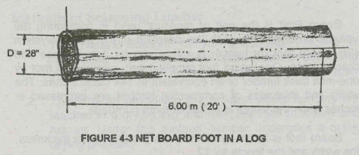

 |  |  |  |  | Enter Number of pieces | # | 1.00 | PCS
 |  |  |  |  | Enter lumber Dimension | D1(IN) | 28.00 | inches
 |  |  |  |  |  | L(FT) | 20.00 | feet (ft)

 |  |  |  |  | TOTAL # OF LUMBER IN BD.FT | Bd.ft. | 720.00 | BD.FT

Determining the total lengths or pcs of a certain lumber from Bd.ft.
W1
W2
L
 |  |  |  |  | Enter total Bd.ft : | Bd.ft. | 720
 |  |  |  |  | Enter desired lumber dimension : | W1 (in) | W2 (in) | L (ft)
 |  |  |  |  |  | 2 | 4 | 10

 |  |  |  |  | TOTAL # OF LUMBER IN PIECES/LENGTHS | PCS | 108.00 | PCS

 | NUMBER OF BOARD FOOT OF STUDS & NAILING JOIST PER SQUARE METER
 | Lumber size in inches | SPACING IN CENTIMETER (CENTER TO CENTER)
 |  | 30 x 30 | 30 x 60 | 40 x 40 | 40 x 60 | 60 x 60
 | 1 x 2 | 4.103 | 3.147 | 3.189 | 2.686 | 2.268
 | 2 x 2 | 8.198 | 6.293 | 6.379 | 5.373 | 4.594
 | 2 x 3 | 12.284 | 9.440 | 9.569 | 8.060 | 6.898
 | 2 x 4 | 16.414 | 12.592 | 12.758 | 10.746 | 9.195

H

L

 |  |  |  |  | Enter Length of Wall/Ceilling/Flooring | L (M) | 9.00 | M
 |  |  |  |  | Enter Height of Wall/Ceilling/Flooring | H (M) | 3.00 | M
 |  |  |  |  | Enter Constant Factor | C | 6.898
 |  |  |  |  | # OF BD.FT OF STUDS & NAILING JOIST USED: | BD.FT | 186.25 | BD.FT.

 |  |  |  |  | Enter total Bd.ft : | Bd.ft. | 186.25
 |  |  |  |  | Enter desired lumber dimension : | W1 (in) | W2 (in) | L (ft)
 |  |  |  |  |  | 2 | 3 | 8
 |  |  |  |  | TOTAL # OF LUMBER IN PIECES/LENGTHS | PCS | 47.00 | PCS

 |  | USING 1/4" ORDINARY PLYWOOD or 4' x 8' HARDIFLEX BOARD
 |  |  |  |  | TOTAL # OF 4'X 8' ORDINARY PLYWOOD USED (ONE SIDE) | SHTS | 10 | Sheets
 |  |  |  |  | TOTAL # OF 4'X 8' ORDINARY PLYWOOD USED (TWO SIDES) | SHTS | 19 | Sheets

 |  |  |  |  | # OF 1" CWNails Used for Boards (ONE SIDE) | KGS | 0.6 | KGS
 |  |  |  |  | # OF 1" CWNails Used for Boards (TWO SIDES) | KGS | 1.1 | KGS
 |  |  |  |  | # OF 2 1/2" CWNails Used for Joining the Studs together | KGS | 1.4 | KGS

ROOFING WORKS
ROOFING WORKS
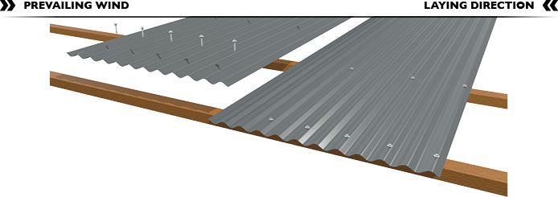
Effective Width
Side lapping

Roof Sheet Length 1
 | Side Lapping | 2.5 | 1.5
 | Effective Width | 0.60 | 0.70

 | End Lapping | 25cm - 30 cm
End lapping
Roof Sheet Length 2
H

Ls

Span

Projection (Bulada)
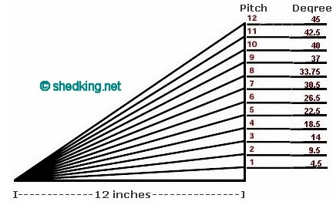

Pitch

12

DETERMINING THE DESIRABLE NUMBER OF SHEETS IF USING MORE THAN ONE SHEET
 | Rafter L1 | 3.2310988843 |  |  | Enter Span (Ls) | M | 3.00 | M
 | Angle | 0.42279321874 |  |  | Enter Height (H) | M | 1.20 | M
 | H2 | 0.40 |  |  | Enter Projection Width (Bulada) | M | 1.00 | M
 | Rafter L2 | 1.0767661223
 | # of pulins | 8.00 |  |  | Total Length of Rafter | M | 4.31 | M
 |  |  |  |  |  | USING ONLY TWO SHEETS
1
 | Roofing Length | 4.38 |  |  | Total Roofing Net Length | M | 4.38 | M
 |  | 2.40 |  |  | Enter Roof Sheet Length 1 | FT | 8 | FT
2
 |  | 2.10 |  |  | Enter Roof Sheet Length 2 | FT | 8 | FT
 |  |  |  | Overlap | 0.42 | M | 1.37 | FT
 |  |  |  |  |  | OK Roof Sheet combination

1
2
 |  |  |  |  |  | USING THREE SHEETS
 | Roofing Length | 4.38 |  |  | Total Roofing Net Length | M | 4.38 | M
 |  | 2.40 |  |  | Enter Roof Sheet Length 1 | FT | 8 | FT
 |  | 2.10 |  |  | Enter Roof Sheet Length 2 | FT | 8 | FT
3
 |  | 2.10 |  |  | Enter Roof Sheet Length 3 | FT | 8 | FT
 |  |  |  | Overlap | 1.41 | M | 4.62 | FT
 |  |  |  |  |  | OK Roof Sheet combination
 |  |  |  |  |  | But not economical, cost you more money!
 |  |  |  |  |  | End Lapping must not be more than 2 ft
DETERMINING THE NUMBER OF ROOF SHEETS

Total Roof Width

 |  |  |  |  |  | Side Lapping | 2.5 | 1.5
 |  |  |  |  |  | Effective Width | 0.60 | 0.70
 |  |  |  |  | Enter Roofing total with | M | 11.00 | M
 |  |  |  |  | Enter Effective Width | M | 0.70 | M
 |  |  |  |  |  | USING ONLY TWO SHEETS
 |  |  |  |  |  | Number of the 1st Roof sheet used @ 8 feet long at one side only | 16 | Sheets
 |  |  |  |  |  | Number of the 2nd Roof sheet used @ 8 feet long at one side only | 16 | Sheets
 |  |  |  |  |  | Number of Umbrella Nails/Tekscrews | 5 | KGS

 |  | Note: Must multiply by two if the other side of the roof is similar

 |  |  |  |  |  | USING THREE SHEETS
 |  |  |  |  |  | Number of the 1st Roof sheet used @ 8 feet long at one side only | 16 | Sheets
 |  |  |  |  |  | Number of the 2nd Roof sheet used @ 8 feet long at one side only | 16 | Sheets
 |  |  |  |  |  | Number of the 3rd Roof sheet used @ 8 feet long at one side only | 16 | Sheets
 |  |  |  |  |  | Number of Umbrella Nails/Tekscrews | 8 | KGS
 |  |  |  | Not recommended, cost you more money!
 |  | Note: Must multiply by two if the other side of the roof is similar

Roof Width

Roof Width

ROOF ACCESSORIES
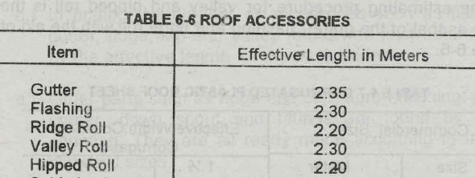

 |  |  |  |  | Enter Total Covered Length | 11.00 | M
 |  |  |  |  | Enter Effective Length | 2.20 | M
 |  |  |  |  | Number of Roof Accessories Used | 5 | PCS

TILING WORKS
TILING WORKS
 | Enter Wall or Floor Area | 100.00 | SQ.M.
 | Enter Breakage Allowance (5 - 10%) | 5.00 | %

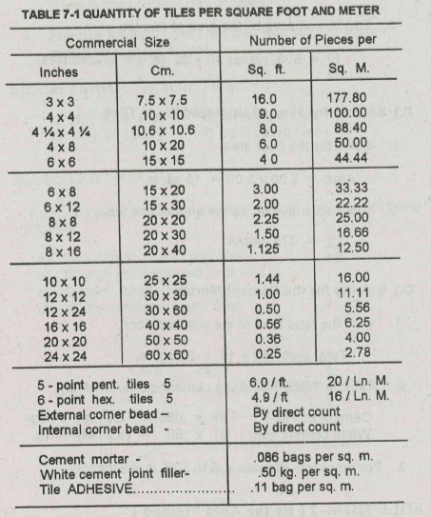
 | Tile Size |  | # of PCS
 | Inches | cm | per Sq.m.
 | 3 x 3 | 7.5 x 7.5 | 18,669.00
 | 4 x 4 | 10 x 10 | 10,500.00
 | 4 1/4 x 4 1/4 | 10.6 x 10.6 | 9,282.00
 | 4 x 8 | 10 x 20 | 5,250.00
 | 6 x 6 | 15 x 15 | 4,667.00
 | 6 x 8 | 15 x 20 | 3,500.00
 | 6 x 12 | 15 x 30 | 2,334.00
 | 8 x 8 | 20 x 20 | 2,625.00
 | 8 x 12 | 20 x 30 | 1,750.00
 | 8 x 16 | 20 x 40 | 1,313.00
 | 10 x 16 | 25 x 25 | 1,680.00
 | 12 x 12 | 30 x 30 | 1,167.00
 | 12 x 24 | 30 x 60 | 584.00
 | 16 x 16 | 40 x 40 | 657.00
 | 20 x 20 | 50 x 50 | 420.00
 | 8 x 48 | 20 x 120 | 438.00

 | Cement Mortar | 9.00 | BAGS
 | White Cement | 50.00 | KGS
 | Adhesive | 11.00 | BAGS

SCAFFOLDINGS
FORMS
DETERMINING THE TOTAL MATERIALS USED FOR SQUARES & RECTANGULAR COLUMN FORMS

 |  |  |  |  |  | Enter Column Height | M | 1.22
 |  |  |  |  |  | Column Dimension A | M | 0.25
 |  |  |  |  |  | Column Dimension B | M | 0.25
Column Height
 |  |  |  |  |  | Enter Number of Columns | Units | 4.00
 |  |  |  |  |  |  | 1.20 | 11.52
4' OR 2.4M
 |  |  |  |  |  | Note: One form per column - (Resusable form)
 |  |  |  |  |  | Total # of Bd.ft of frame required: | 118.68 | Bd.ft
 |  |  |  |  | Enter desired lumber dimension : | W1 (in) | W2 (in) | L (ft)
 |  |  |  |  |  | 2 | 3 | 8
 |  |  |  |  |  | Total Number of Lumber: | 30.00 | PCS
 |  |  |  |  |  | Total Number of Plywood required: | 4.00 | Sheet(s)
 |  |  |  |  |  | Total Number of #2 1/2 CWNails: | 1.00 | KGS
 |  |  |  |  |  | Total Number of #1 Finishing Nails: | 0.40 | Kgs

DETERMINING THE TOTAL MATERIALS USED FOR BEAMS & GIRDER FORMS

 |  |  |  |  |  | Enter Beam Length | M | 7.00
 |  |  |  |  |  | Beam Dimension D | M | 0.30
 |  |  |  |  |  | Beam Dimension B | M | 0.20
 |  |  |  |  |  | Enter Number of Beams | Units | 4.00
 |  |  |  |  |  |  | 0.90 | 25.20
Total Beam Length
B
D
 |  |  |  |  |  | Total # of Bd.ft of frame required: | 252.00 | Bd.ft
 |  |  |  |  |  | W1 (in) | W2 (in) | L (ft)
 |  |  |  |  |  | 2 | 3 | 8
 |  |  |  |  |  | Total Number of Lumber: | 63.00 | PCS
 |  |  |  |  |  | Total Number of Plywood required: | 9.00 | Sheet(s)
 |  |  |  |  |  | Total Number of #2 1/2 CWNails: | 2.10 | KGS
 |  |  |  |  |  | Total Number of #1 Finishing Nails: | 0.90 | Kgs

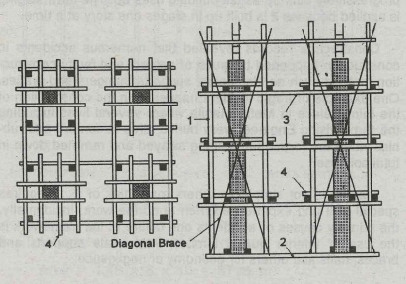
SCAFFOLDINGS
PARTS OF SCAFFOLDINGS
1. Vertical Support
2. Base of Vertical Support
3. Horizontal Member
4. Diagonal Braces
5. Block and Wedges
6. Nails & Bolts

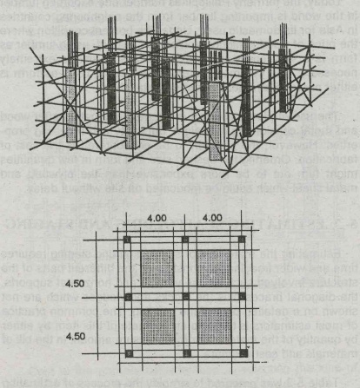

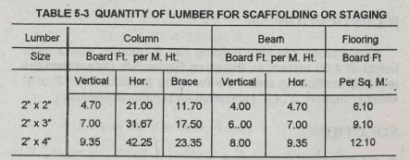

COLUMN |  |  |  |  | BEAM
 | Enter Column Height | M | 3.00 |  |  | Enter Beam Length | M | 3.50
 | Enter # of Columns | Units | 10.00 |  |  | Enter # of Beams | Units | 6.00
 | Total Column Height: | 30.00 | M. Ht. |  |  | Total Beam Length: | 21.00 | M. Ht.

 |  |  | FLOORING
 |  |  |  | Enter Floor Area | SQ.M. | 80.00

 | QUANTITY OF LUMBER FOR SCAFFOLDING OR STAGING
 | Lumber Size | Column |  |  | Beam |  | Flooring
 |  | Vertical | Horizontal | Brace | Vertical | Horizontal
 | 2" x 2" | 141.00 | 630.00 | 351.00 | 84.00 | 98.70 | 488.00
 | 2" x 3" | 210.00 | 950.10 | 525.00 | 126.00 | 147.00 | 728.00
 | 2" x 4" | 280.50 | 1,267.50 | 700.50 | 168.00 | 196.35 | 968.00

 |  |  |  |  |  | Enter total # of Bd.ft of Lumber required: | 224.40 | Bd.ft
 |  |  |  |  |  | W1 (in) | W2 (in) | L (ft)
 |  |  |  |  |  | 2 | 4 | 8
 |  |  |  |  |  | Total Number of Lumber: | 43.00 | PCS
 |  |  |  |  |  | Total Number of #4 CWNails: | 22.00 | KGS

